General info
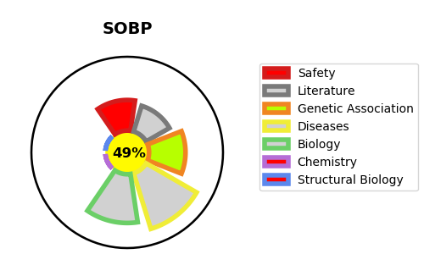
Gene_name | SOBP | Tractable | Tractability_probability
Synonyms | JXC1 {ECO:0000312|EMBL:ABF72848.1} | False | 49.02
Target_id | A7XYQ1 | In Training data set ?
Protein_class |  | No
Protein_class_desc
Species | Homo sapiens (Human).
Number_isoforms | 0

DISEASE |  | PATHWAYS
disease_id | disease_name | Reactome | KEGG
OMIM:613671 | MENTAL RETARDATION, ANTERIOR MAXILLARY PROTRUSION, AND STRABISMUS

