General info
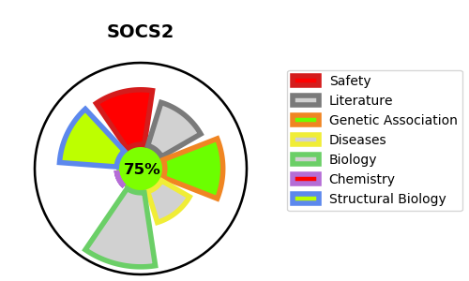
Gene_name | SOCS2 | Tractable | Tractability_probability
Synonyms | CIS2, SSI2, STATI2 | True | 75.59
Target_id | O14508 | In Training data set ?
Protein_class |  | No
Protein_class_desc
Species | Homo sapiens (Human).
Number_isoforms | 0

DISEASE |  | PATHWAYS
disease_id | disease_name | Reactome | KEGG
 |  | Cytokine Signaling in Immune system
 |  | Growth hormone receptor signaling
 |  | Immune System
 |  | Interleukin-7 signaling
 |  | Metabolism of proteins
 |  | Neddylation
 |  | Post-translational protein modification
 |  | Signaling by Interleukins

