General info
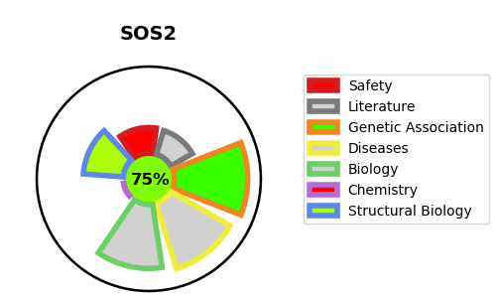
Gene_name | SOS2 | Tractable | Tractability_probability
Synonyms | Not found | True | 75.08
Target_id | Q07890 | In Training data set ?
Protein_class |  | No
Protein_class_desc
Species | Homo sapiens (Human).
Number_isoforms | 2

DISEASE |  | PATHWAYS
disease_id | disease_name | Reactome | KEGG
OMIM:616559 | NOONAN SYNDROME 9 | Activation of RAC1
 |  | Axon guidance
 |  | Cell death signalling via NRAGE, NRIF and NADE
 |  | Cytokine Signaling in Immune system
 |  | Death Receptor Signalling
 |  | Developmental Biology
 |  | G alpha (12/13) signalling events
 |  | GPCR downstream signalling
 |  | Immune System
 |  | Interleukin-15 signaling
 |  | Interleukin-2 family signaling
 |  | NRAGE signals death through JNK
 |  | Nervous system development
 |  | Rho GTPase cycle
 |  | Signal Transduction
 |  | Signaling by GPCR
 |  | Signaling by Interleukins
 |  | Signaling by ROBO receptors
 |  | Signaling by Rho GTPases
 |  | p75 NTR receptor-mediated signalling

