General info
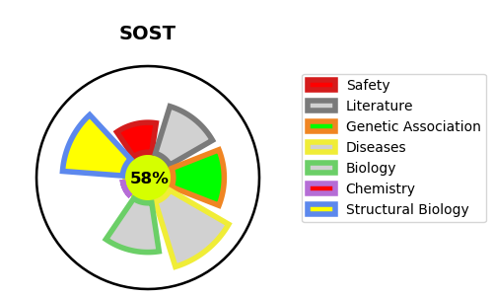
Gene_name | SOST | Tractable | Tractability_probability
Synonyms | SOST,Sclerostin | True | 58.37
Target_id | Q9BQB4 | In Training data set ?
Protein_class | Unclassified protein | No
Protein_class_desc | unclassified
Species | Homo sapiens (Human).
Number_isoforms | 2

DISEASE |  | PATHWAYS
disease_id | disease_name | Reactome | KEGG
OMIM:122860 | CRANIODIAPHYSEAL DYSPLASIA, AUTOSOMAL DOMINANT | Negative regulation of TCF-dependent signaling by WNT ligand antagonists
OMIM:239100 | VAN BUCHEM DISEASE | Signal Transduction
OMIM:269500 | SCLEROSTEOSIS 1 | Signaling by WNT
 |  | TCF dependent signaling in response to WNT

