General info
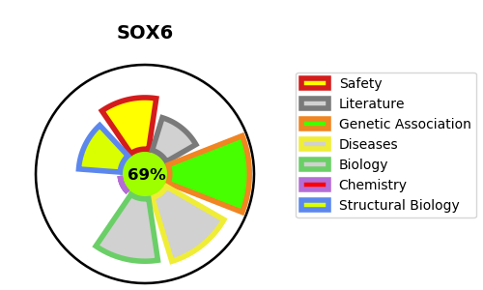
Gene_name | SOX6 | Tractable | Tractability_probability
Synonyms | Not found | True | 69.27
Target_id | P35712 | In Training data set ?
Protein_class |  | No
Protein_class_desc
Species | Homo sapiens (Human).
Number_isoforms | 4

DISEASE |  | PATHWAYS
disease_id | disease_name | Reactome | KEGG
OMIM:618971 | TOLCHIN-LE CAIGNEC SYNDROME | Deactivation of the beta-catenin transactivating complex
 |  | Signal Transduction
 |  | Signaling by WNT
 |  | TCF dependent signaling in response to WNT

