General info
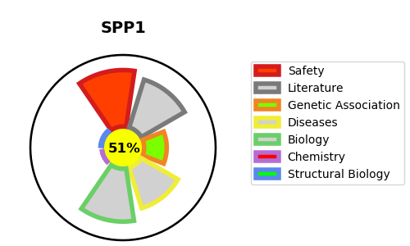
Gene_name | SPP1 | Tractable | Tractability_probability
Synonyms | BNSP,Bone sialoprotein 1,Nephropontin,OPN ,Osteopontin,SPP-1,SPP1,Secreted phosphoprotein 1,Urinary stone protein,Uropontin | True | 51.48
Target_id | P10451 | In Training data set ?
Protein_class | Secreted protein | No
Protein_class_desc | secreted
Species | Homo sapiens (Human).
Number_isoforms | 4

DISEASE |  | PATHWAYS
disease_id | disease_name | Reactome | KEGG
 |  | Degradation of the extracellular matrix
 |  | Extracellular matrix organization
 |  | Gene expression (Transcription)
 |  | Generic Transcription Pathway
 |  | Integrin cell surface interactions
 |  | Metabolism of proteins
 |  | Post-translational protein modification
 |  | Post-translational protein phosphorylation
 |  | RNA Polymerase II Transcription
 |  | RUNX3 Regulates Immune Response and Cell Migration
 |  | Regulation of Insulin-like Growth Factor (IGF) transport and uptake by Insulin-like Growth Factor Binding Proteins (IGFBPs)
 |  | Signal Transduction
 |  | Signaling by PDGF
 |  | Signaling by Receptor Tyrosine Kinases
 |  | Transcriptional regulation by RUNX3

