General info
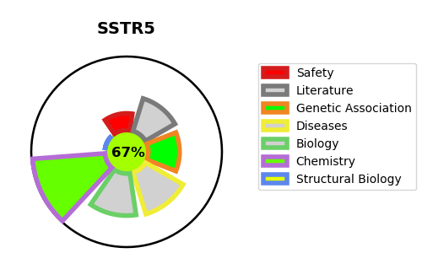
Gene_name | SSTR5 | Tractable | Tractability_probability
Synonyms | SS-5-R,SS5-R,SS5R,SSTR5,Somatostatin receptor type 5 | True | 67.91
Target_id | P35346 | In Training data set ?
Protein_class | Somatostatin receptor | No
Protein_class_desc | membrane receptor -> 7tm1 -> peptide -> short peptide -> somatostatin receptor
Species | Homo sapiens (Human).
Number_isoforms | 0

DISEASE |  | PATHWAYS
disease_id | disease_name | Reactome | KEGG
 |  | Class A/1 (Rhodopsin-like receptors)
 |  | G alpha (i) signalling events
 |  | GPCR downstream signalling
 |  | GPCR ligand binding
 |  | Peptide ligand-binding receptors
 |  | Signal Transduction
 |  | Signaling by GPCR

