General info
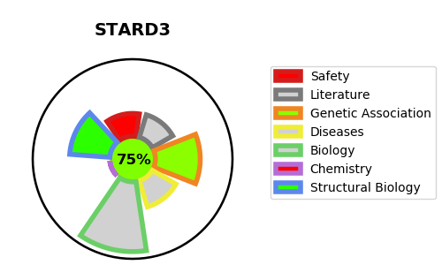
Gene_name | STARD3 | Tractable | Tractability_probability
Synonyms | CAB1 {ECO:0000303|PubMed:9270027}, MLN64 {ECO:0000303|PubMed:11053434} | True | 75.03
Target_id | Q14849 | In Training data set ?
Protein_class |  | No
Protein_class_desc
Species | Homo sapiens (Human).
Number_isoforms | 3

DISEASE |  | PATHWAYS
disease_id | disease_name | Reactome | KEGG
 |  | Metabolism
 |  | Metabolism of lipids
 |  | Metabolism of steroid hormones
 |  | Metabolism of steroids
 |  | Pregnenolone biosynthesis

