General info
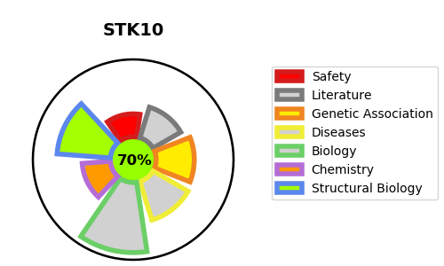
Gene_name | STK10 | Tractable | Tractability_probability
Synonyms | 2.7.11.1,LOK,Lymphocyte-oriented kinase,STK10,Serine/threonine-protein kinase 10 | True | 70.68
Target_id | O94804 | In Training data set ?
Protein_class | STE protein kinase SLK subfamily | No
Protein_class_desc | enzyme -> kinase -> protein kinase -> ste -> ste20 -> slk
Species | Homo sapiens (Human).
Number_isoforms | 0

DISEASE |  | PATHWAYS
disease_id | disease_name | Reactome | KEGG
 |  | Immune System
 |  | Innate Immune System
 |  | Neutrophil degranulation

