General info
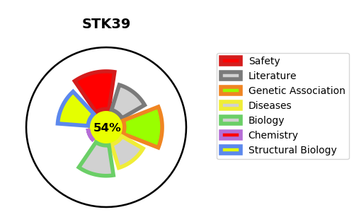
Gene_name | STK39 | Tractable | Tractability_probability
Synonyms | 2.7.11.1,DCHT,SPAK,STE20/SPS1-related proline-alanine-rich protein kinase,STK39,Serine/threonine-protein kinase 39,Ste-20-related kinase | True | 54.45
Target_id | Q9UEW8 | In Training data set ?
Protein_class | STE protein kinase FRAY subfamily | No
Protein_class_desc | enzyme -> kinase -> protein kinase -> ste -> ste20 -> fray
Species | Homo sapiens (Human).
Number_isoforms | 2

DISEASE |  | PATHWAYS
disease_id | disease_name | Reactome | KEGG

