General info
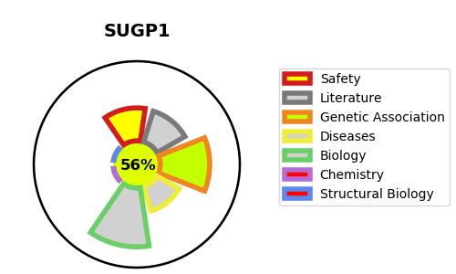
Gene_name | SUGP1 | Tractable | Tractability_probability
Synonyms | SF4 | True | 56.59
Target_id | Q8IWZ8 | In Training data set ?
Protein_class |  | No
Protein_class_desc
Species | Homo sapiens (Human).
Number_isoforms | 2

DISEASE |  | PATHWAYS
disease_id | disease_name | Reactome | KEGG
 |  | Metabolism of RNA
 |  | Processing of Capped Intron-Containing Pre-mRNA
 |  | mRNA Splicing
 |  | mRNA Splicing - Major Pathway

