General info
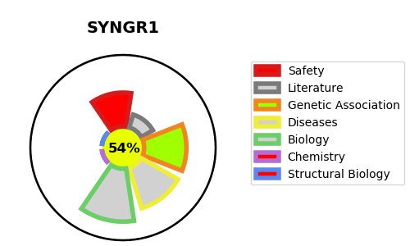
Gene_name | SYNGR1 | Tractable | Tractability_probability
Synonyms | Not found | True | 54.42
Target_id | O43759 | In Training data set ?
Protein_class |  | No
Protein_class_desc
Species | Homo sapiens (Human).
Number_isoforms | 3

DISEASE |  | PATHWAYS
disease_id | disease_name | Reactome | KEGG
 |  | Immune System
 |  | Innate Immune System
 |  | Neutrophil degranulation

