General info
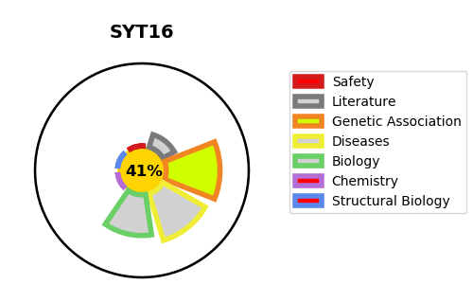
Gene_name | SYT16 | Tractable | Tractability_probability
Synonyms | STREP14, SYT14L, SYT14R | False | 41.64
Target_id | Q17RD7 | In Training data set ?
Protein_class |  | No
Protein_class_desc
Species | Homo sapiens (Human).
Number_isoforms | 4

DISEASE |  | PATHWAYS
disease_id | disease_name | Reactome | KEGG

