General info
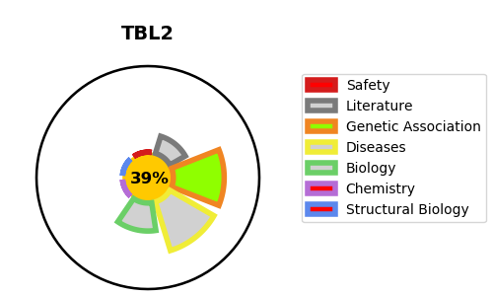
Gene_name | TBL2 | Tractable | Tractability_probability
Synonyms | WBSCR13 | False | 39.59
Target_id | Q9Y4P3 | In Training data set ?
Protein_class |  | No
Protein_class_desc
Species | Homo sapiens (Human).
Number_isoforms | 0

DISEASE |  | PATHWAYS
disease_id | disease_name | Reactome | KEGG

