General info
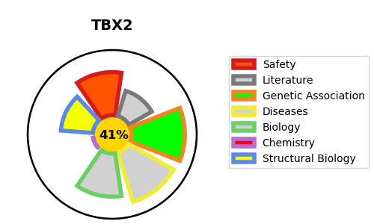
Gene_name | TBX2 | Tractable | Tractability_probability
Synonyms | Not found | False | 41.61
Target_id | Q13207 | In Training data set ?
Protein_class |  | No
Protein_class_desc
Species | Homo sapiens (Human).
Number_isoforms | 0

DISEASE |  | PATHWAYS
disease_id | disease_name | Reactome | KEGG
OMIM:618223 | VERTEBRAL ANOMALIES AND VARIABLE ENDOCRINE AND T-CELL DYSFUNCTION

