General info
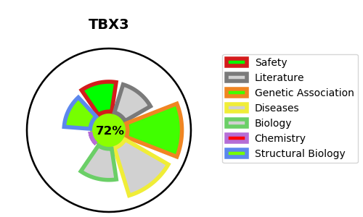
Gene_name | TBX3 | Tractable | Tractability_probability
Synonyms | Not found | True | 72.9
Target_id | O15119 | In Training data set ?
Protein_class |  | Yes
Protein_class_desc
Species | Homo sapiens (Human).
Number_isoforms | 4

DISEASE |  | PATHWAYS
disease_id | disease_name | Reactome | KEGG
OMIM:181450 | ULNAR-MAMMARY SYNDROME

