General info
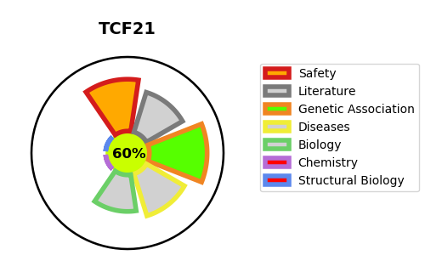
Gene_name | TCF21 | Tractable | Tractability_probability
Synonyms | BHLHA23, POD1 | True | 60.67
Target_id | O43680 | In Training data set ?
Protein_class |  | Yes
Protein_class_desc
Species | Homo sapiens (Human).
Number_isoforms | 0

DISEASE |  | PATHWAYS
disease_id | disease_name | Reactome | KEGG

