General info
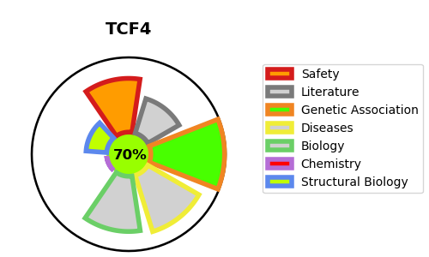
Gene_name | TCF4 | Tractable | Tractability_probability
Synonyms | Beta-catenin,CTNNB ,CTNNB1,Catenin beta-1,BHLHB19,Class B basic helix-loop-helix protein 19,ITF-2,ITF2,Immunoglobulin transcription factor 2,SEF-2,SEF2,SL3-3 enhancer factor 2,TCF-4,TCF4,Transcription factor 4,bHLHb19 | True | 70.39
Target_id | P15884 | In Training data set ?
Protein_class | Unclassified protein | No
Protein_class_desc | unclassified
Species | Homo sapiens (Human).
Number_isoforms | 16

DISEASE |  | PATHWAYS
disease_id | disease_name | Reactome | KEGG
OMIM:610954 | PITT-HOPKINS SYNDROME | Developmental Biology
OMIM:613267 | CORNEAL DYSTROPHY, FUCHS ENDOTHELIAL, 3 | Myogenesis

