General info
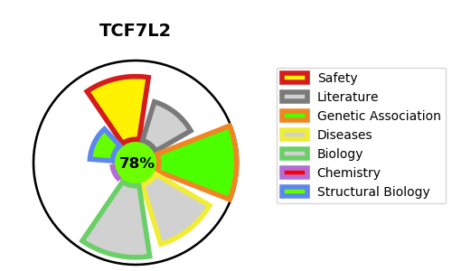
Gene_name | TCF7L2 | Tractable | Tractability_probability
Synonyms | Beta-catenin,CTNNB ,CTNNB1,Catenin beta-1,HMG box transcription factor 4,T-cell factor 4,T-cell-specific transcription factor 4,TCF-4,TCF4,TCF7L2,Transcription factor 7-like 2,hTCF-4 | True | 78.91
Target_id | Q9NQB0 | In Training data set ?
Protein_class | Unclassified protein | No
Protein_class_desc | unclassified
Species | Homo sapiens (Human).
Number_isoforms | 17

DISEASE |  | PATHWAYS
disease_id | disease_name | Reactome | KEGG
OMIM:125853 | TYPE 2 DIABETES MELLITUS | Beta-catenin independent WNT signaling
 |  | Binding of TCF/LEF:CTNNB1 to target gene promoters
 |  | Ca2+ pathway
 |  | Deactivation of the beta-catenin transactivating complex
 |  | Degradation of beta-catenin by the destruction complex
 |  | Disease
 |  | Diseases of signal transduction by growth factor receptors and second messengers
 |  | Formation of the beta-catenin:TCF transactivating complex
 |  | Gene expression (Transcription)
 |  | Generic Transcription Pathway
 |  | Incretin synthesis, secretion, and inactivation
 |  | Metabolism of proteins
 |  | Peptide hormone metabolism
 |  | RNA Polymerase II Transcription
 |  | RUNX3 regulates WNT signaling
 |  | Repression of WNT target genes
 |  | Signal Transduction
 |  | Signaling by WNT
 |  | Signaling by WNT in cancer
 |  | Synthesis, secretion, and inactivation of Glucagon-like Peptide-1 (GLP-1)
 |  | TCF dependent signaling in response to WNT
 |  | TCF7L2 mutants don't bind CTBP
 |  | Transcriptional Regulation by VENTX
 |  | Transcriptional regulation by RUNX3

