General info
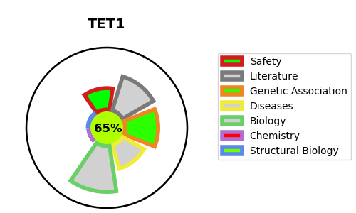
Gene_name | TET1 | Tractable | Tractability_probability
Synonyms | CXXC6, KIAA1676, LCX | True | 65.85
Target_id | Q8NFU7 | In Training data set ?
Protein_class |  | No
Protein_class_desc
Species | Homo sapiens (Human).
Number_isoforms | 0

DISEASE |  | PATHWAYS
disease_id | disease_name | Reactome | KEGG
 |  | Epigenetic regulation of gene expression
 |  | Gene expression (Transcription)
 |  | TET1,2,3 and TDG demethylate DNA

