General info
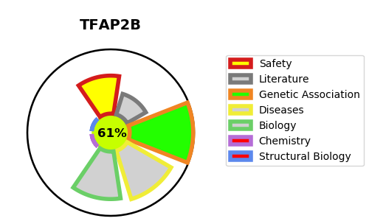
Gene_name | TFAP2B | Tractable | Tractability_probability
Synonyms | Not found | True | 61.36
Target_id | Q92481 | In Training data set ?
Protein_class |  | No
Protein_class_desc
Species | Homo sapiens (Human).
Number_isoforms | 2

DISEASE |  | PATHWAYS
disease_id | disease_name | Reactome | KEGG
OMIM:169100 | CHAR SYNDROME | Activation of the TFAP2 (AP-2) family of transcription factors
OMIM:617035 | PATENT DUCTUS ARTERIOSUS 2 | Gene expression (Transcription)
 |  | Generic Transcription Pathway
 |  | Metabolism of proteins
 |  | Negative regulation of activity of TFAP2 (AP-2) family transcription factors
 |  | Post-translational protein modification
 |  | RNA Polymerase II Transcription
 |  | SUMO E3 ligases SUMOylate target proteins
 |  | SUMOylation
 |  | SUMOylation of transcription factors
 |  | TFAP2 (AP-2) family regulates transcription of growth factors and their receptors
 |  | Transcriptional regulation by the AP-2 (TFAP2) family of transcription factors

