General info
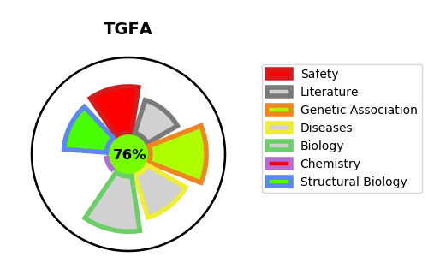
Gene_name | TGFA | Tractable | Tractability_probability
Synonyms | Not found | True | 76.67
Target_id | P01135 | In Training data set ?
Protein_class |  | No
Protein_class_desc
Species | Homo sapiens (Human).
Number_isoforms | 5

DISEASE |  | PATHWAYS
disease_id | disease_name | Reactome | KEGG
 |  | Asparagine N-linked glycosylation
 |  | COPII-mediated vesicle transport
 |  | Cargo concentration in the ER
 |  | Cargo recognition for clathrin-mediated endocytosis
 |  | Clathrin-mediated endocytosis
 |  | Constitutive Signaling by Aberrant PI3K in Cancer
 |  | Cytokine Signaling in Immune system
 |  | Disease
 |  | Diseases of signal transduction by growth factor receptors and second messengers
 |  | EGFR downregulation
 |  | EGFR interacts with phospholipase C-gamma
 |  | ER to Golgi Anterograde Transport
 |  | ESR-mediated signaling
 |  | Estrogen-dependent gene expression
 |  | Estrogen-dependent nuclear events downstream of ESR-membrane signaling
 |  | Extra-nuclear estrogen signaling
 |  | FLT3 Signaling
 |  | GAB1 signalosome
 |  | GRB2 events in EGFR signaling
 |  | Gene expression (Transcription)
 |  | Generic Transcription Pathway
 |  | Immune System
 |  | Inhibition of Signaling by Overexpressed EGFR
 |  | Intracellular signaling by second messengers
 |  | MAPK family signaling cascades
 |  | MAPK1/MAPK3 signaling
 |  | Membrane Trafficking
 |  | Metabolism of proteins
 |  | Negative regulation of the PI3K/AKT network
 |  | PI3K/AKT Signaling in Cancer
 |  | PI5P, PP2A and IER3 Regulate PI3K/AKT Signaling
 |  | PIP3 activates AKT signaling
 |  | Post-translational protein modification
 |  | RAF/MAP kinase cascade
 |  | RNA Polymerase II Transcription
 |  | SHC1 events in EGFR signaling
 |  | Signal Transduction
 |  | Signaling by EGFR
 |  | Signaling by EGFR in Cancer
 |  | Signaling by Nuclear Receptors
 |  | Signaling by Overexpressed Wild-Type EGFR in Cancer
 |  | Signaling by Receptor Tyrosine Kinases
 |  | TFAP2 (AP-2) family regulates transcription of growth factors and their receptors
 |  | Transcriptional regulation by the AP-2 (TFAP2) family of transcription factors
 |  | Transport to the Golgi and subsequent modification
 |  | Vesicle-mediated transport

