General info
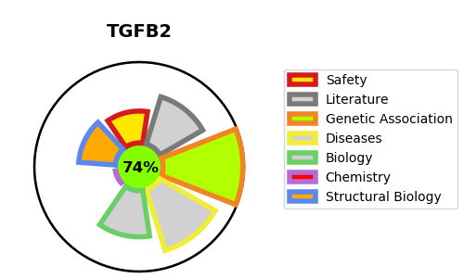
Gene_name | TGFB2 | Tractable | Tractability_probability
Synonyms | Cetermin,G-TSF,Glioblastoma-derived T-cell suppressor factor,LAP,Latency-associated peptide,TGF-beta-2,TGFB2,Transforming growth factor beta-2,Transforming growth factor beta-2 proprotein | True | 74.43
Target_id | P61812 | In Training data set ?
Protein_class | Secreted protein | No
Protein_class_desc | secreted
Species | Homo sapiens (Human).
Number_isoforms | 2

DISEASE |  | PATHWAYS
disease_id | disease_name | Reactome | KEGG
OMIM:614816 | LOEYS-DIETZ SYNDROME 4 | ECM proteoglycans
 |  | Elastic fibre formation
 |  | Extracellular matrix organization
 |  | Hemostasis
 |  | Molecules associated with elastic fibres
 |  | Platelet activation, signaling and aggregation
 |  | Platelet degranulation
 |  | Response to elevated platelet cytosolic Ca2+

