General info
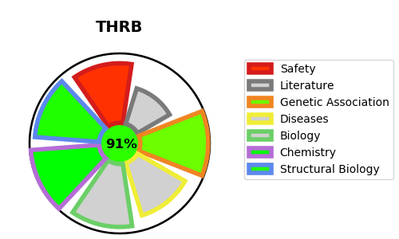
Gene_name | THRB | Tractable | Tractability_probability
Synonyms | ERBA2,NR1A2,Nuclear receptor subfamily 1 group A member 2,THR1,THRB,Thyroid hormone receptor beta,c-erbA-2,c-erbA-beta | True | 91.76
Target_id | P10828 | In Training data set ?
Protein_class | Nuclear hormone receptor subfamily 1 group A member 2 | No
Protein_class_desc | transcription factor -> nuclear receptor -> nr1 -> nr1a -> nr1a2
Species | Homo sapiens (Human).
Number_isoforms | 2

DISEASE |  | PATHWAYS
disease_id | disease_name | Reactome | KEGG
OMIM:145650 | THYROID HORMONE RESISTANCE, SELECTIVE PITUITARY | Gene expression (Transcription)
OMIM:188570 | THYROID HORMONE RESISTANCE, GENERALIZED, AUTOSOMAL DOMINANT | Generic Transcription Pathway
OMIM:274300 | THYROID HORMONE RESISTANCE, GENERALIZED, AUTOSOMAL RECESSIVE | Metabolism of proteins
 |  | Nuclear Receptor transcription pathway
 |  | Post-translational protein modification
 |  | RNA Polymerase II Transcription
 |  | SUMO E3 ligases SUMOylate target proteins
 |  | SUMOylation
 |  | SUMOylation of intracellular receptors

