General info
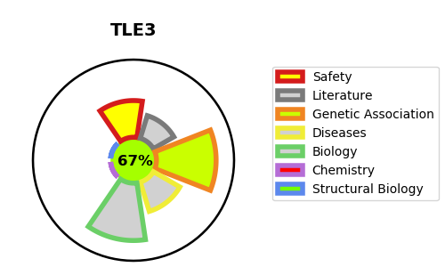
Gene_name | TLE3 | Tractable | Tractability_probability
Synonyms | KIAA1547 | True | 67.68
Target_id | Q04726 | In Training data set ?
Protein_class |  | Yes
Protein_class_desc
Species | Homo sapiens (Human).
Number_isoforms | 7

DISEASE |  | PATHWAYS
disease_id | disease_name | Reactome | KEGG
 |  | Deactivation of the beta-catenin transactivating complex
 |  | Degradation of beta-catenin by the destruction complex
 |  | ESR-mediated signaling
 |  | Estrogen-dependent gene expression
 |  | Formation of the beta-catenin:TCF transactivating complex
 |  | NOTCH1 Intracellular Domain Regulates Transcription
 |  | Repression of WNT target genes
 |  | Signal Transduction
 |  | Signaling by NOTCH
 |  | Signaling by NOTCH1
 |  | Signaling by Nuclear Receptors
 |  | Signaling by WNT
 |  | TCF dependent signaling in response to WNT

