General info
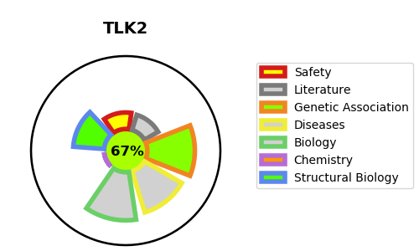
Gene_name | TLK2 | Tractable | Tractability_probability
Synonyms | 2.7.11.1,HsHPK,PKU-alpha,Serine/threonine-protein kinase tousled-like 2,TLK2,Tousled-like kinase 2 | True | 67.31
Target_id | Q86UE8 | In Training data set ?
Protein_class | Other protein kinase TLK family | No
Protein_class_desc | enzyme -> kinase -> protein kinase -> other -> tlk
Species | Homo sapiens (Human).
Number_isoforms | 3

DISEASE |  | PATHWAYS
disease_id | disease_name | Reactome | KEGG
OMIM:618050 | MENTAL RETARDATION, AUTOSOMAL DOMINANT 57

