General info
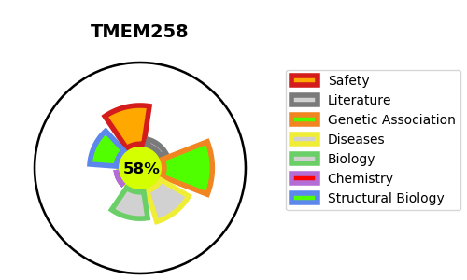
Gene_name | TMEM258 | Tractable | Tractability_probability
Synonyms | C11orf10 | True | 58.59
Target_id | P61165 | In Training data set ?
Protein_class |  | Yes
Protein_class_desc
Species | Homo sapiens (Human).
Number_isoforms | 0

DISEASE |  | PATHWAYS
disease_id | disease_name | Reactome | KEGG

