General info
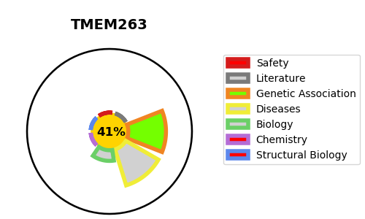
Gene_name | TMEM263 | Tractable | Tractability_probability
Synonyms | C12orf23,TMEM263,Transmembrane protein 263 | False | 41.47
Target_id | Q8WUH6 | In Training data set ?
Protein_class | Unclassified protein | No
Protein_class_desc | unclassified
Species | Homo sapiens (Human).
Number_isoforms | 0

DISEASE |  | PATHWAYS
disease_id | disease_name | Reactome | KEGG

