General info
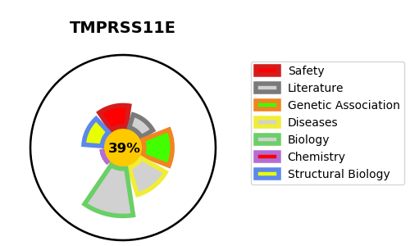
Gene_name | TMPRSS11E | Tractable | Tractability_probability
Synonyms | DESC1, TMPRSS11E2 | False | 39.48
Target_id | Q9UL52 | In Training data set ?
Protein_class |  | No
Protein_class_desc
Species | Homo sapiens (Human).
Number_isoforms | 0

DISEASE |  | PATHWAYS
disease_id | disease_name | Reactome | KEGG

