General info
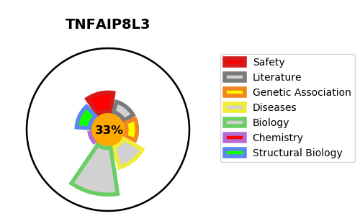
Gene_name | TNFAIP8L3 | Tractable | Tractability_probability
Synonyms | TIPE3 | False | 33.28
Target_id | Q5GJ75 | In Training data set ?
Protein_class |  | No
Protein_class_desc
Species | Homo sapiens (Human).
Number_isoforms | 0

DISEASE |  | PATHWAYS
disease_id | disease_name | Reactome | KEGG
 |  | Metabolism
 |  | Metabolism of lipids
 |  | PI Metabolism
 |  | Phospholipid metabolism

