General info
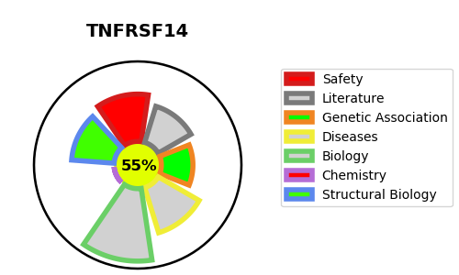
Gene_name | TNFRSF14 | Tractable | Tractability_probability
Synonyms | HVEA, HVEM {ECO:0000303|PubMed:18193050} | True | 55.98
Target_id | Q92956 | In Training data set ?
Protein_class |  | No
Protein_class_desc
Species | Homo sapiens (Human).
Number_isoforms | 2

DISEASE |  | PATHWAYS
disease_id | disease_name | Reactome | KEGG
 |  | Adaptive Immune System
 |  | Costimulation by the CD28 family
 |  | Cytokine Signaling in Immune system
 |  | Immune System
 |  | TNFR2 non-canonical NF-kB pathway
 |  | TNFs bind their physiological receptors

