General info
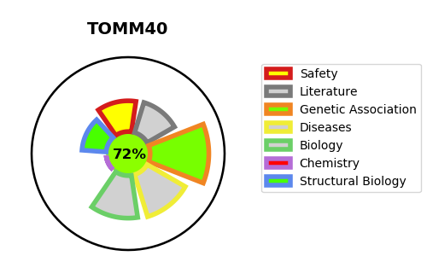
Gene_name | TOMM40 | Tractable | Tractability_probability
Synonyms | C19orf1, PEREC1, TOM40 | True | 72.82
Target_id | O96008 | In Training data set ?
Protein_class |  | No
Protein_class_desc
Species | Homo sapiens (Human).
Number_isoforms | 2

DISEASE |  | PATHWAYS
disease_id | disease_name | Reactome | KEGG
 |  | Autophagy
 |  | Macroautophagy
 |  | Mitochondrial protein import
 |  | Mitophagy
 |  | PINK1-PRKN Mediated Mitophagy
 |  | Protein localization
 |  | Selective autophagy

