General info
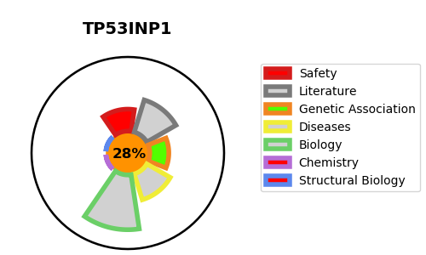
Gene_name | TP53INP1 | Tractable | Tractability_probability
Synonyms | P53DINP1, SIP | False | 28.82
Target_id | Q96A56 | In Training data set ?
Protein_class |  | No
Protein_class_desc
Species | Homo sapiens (Human).
Number_isoforms | 2

DISEASE |  | PATHWAYS
disease_id | disease_name | Reactome | KEGG
 |  | Gene expression (Transcription)
 |  | Generic Transcription Pathway
 |  | RNA Polymerase II Transcription
 |  | Regulation of TP53 Activity
 |  | Regulation of TP53 Activity through Phosphorylation
 |  | TP53 Regulates Transcription of Cell Death Genes
 |  | TP53 Regulates Transcription of Genes Involved in Cytochrome C Release
 |  | Transcriptional Regulation by TP53

