General info
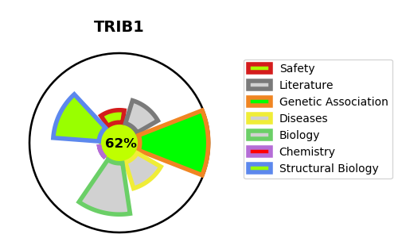
Gene_name | TRIB1 | Tractable | Tractability_probability
Synonyms | C8FW {ECO:0000312|EMBL:CAA04119.1}, GIG2 {ECO:0000312|EMBL:AAG35663.1}, TRB1 | True | 62.55
Target_id | Q96RU8 | In Training data set ?
Protein_class |  | No
Protein_class_desc
Species | Homo sapiens (Human).
Number_isoforms | 2

DISEASE |  | PATHWAYS
disease_id | disease_name | Reactome | KEGG
 |  | NGF-stimulated transcription
 |  | Nuclear Events (kinase and transcription factor activation)
 |  | Signal Transduction
 |  | Signaling by NTRK1 (TRKA)
 |  | Signaling by NTRKs
 |  | Signaling by Receptor Tyrosine Kinases

