General info
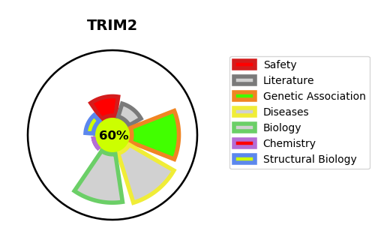
Gene_name | TRIM2 | Tractable | Tractability_probability
Synonyms | KIAA0517, RNF86 | True | 60.18
Target_id | Q9C040 | In Training data set ?
Protein_class |  | No
Protein_class_desc
Species | Homo sapiens (Human).
Number_isoforms | 2

DISEASE |  | PATHWAYS
disease_id | disease_name | Reactome | KEGG
OMIM:615490 | CHARCOT-MARIE-TOOTH DISEASE, AXONAL, TYPE 2R | Cytokine Signaling in Immune system
 |  | Immune System
 |  | Interferon Signaling
 |  | Interferon gamma signaling

