General info
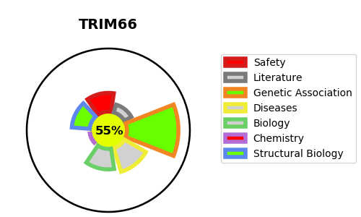
Gene_name | TRIM66 | Tractable | Tractability_probability
Synonyms | C11orf29, KIAA0298 | True | 55.3
Target_id | O15016 | In Training data set ?
Protein_class |  | No
Protein_class_desc
Species | Homo sapiens (Human).
Number_isoforms | 2

DISEASE |  | PATHWAYS
disease_id | disease_name | Reactome | KEGG

