General info
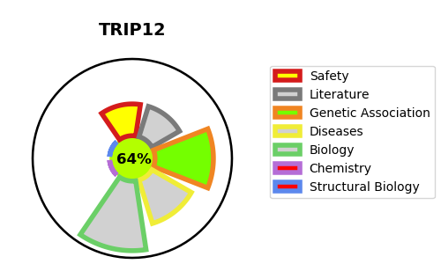
Gene_name | TRIP12 | Tractable | Tractability_probability
Synonyms | KIAA0045, ULF | True | 64.96
Target_id | Q14669 | In Training data set ?
Protein_class |  | No
Protein_class_desc
Species | Homo sapiens (Human).
Number_isoforms | 4

DISEASE |  | PATHWAYS
disease_id | disease_name | Reactome | KEGG
OMIM:617752 | CLARK-BARAITSER SYNDROME | Adaptive Immune System
 |  | Antigen processing: Ubiquitination & Proteasome degradation
 |  | Class I MHC mediated antigen processing & presentation
 |  | Immune System

