General info
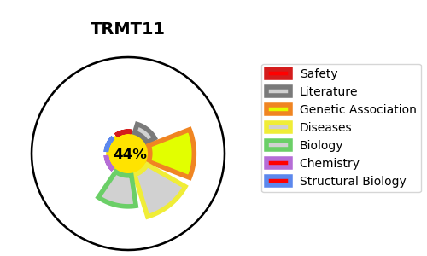
Gene_name | TRMT11 | Tractable | Tractability_probability
Synonyms | C6orf75 | False | 44.65
Target_id | Q7Z4G4 | In Training data set ?
Protein_class |  | No
Protein_class_desc
Species | Homo sapiens (Human).
Number_isoforms | 3

DISEASE |  | PATHWAYS
disease_id | disease_name | Reactome | KEGG
 |  | Metabolism of RNA
 |  | tRNA modification in the nucleus and cytosol
 |  | tRNA processing

