General info
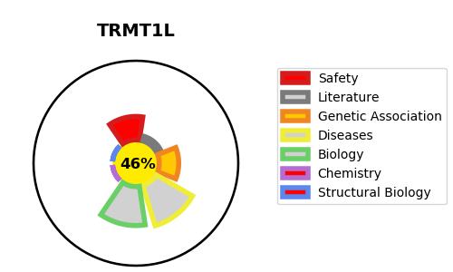
Gene_name | TRMT1L | Tractable | Tractability_probability
Synonyms | C1orf25, TRM1L | False | 46.09
Target_id | Q7Z2T5 | In Training data set ?
Protein_class |  | No
Protein_class_desc
Species | Homo sapiens (Human).
Number_isoforms | 2

DISEASE |  | PATHWAYS
disease_id | disease_name | Reactome | KEGG

