General info
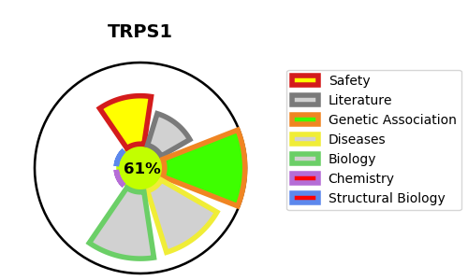
Gene_name | TRPS1 | Tractable | Tractability_probability
Synonyms | Not found | True | 61.97
Target_id | Q9UHF7 | In Training data set ?
Protein_class |  | No
Protein_class_desc
Species | Homo sapiens (Human).
Number_isoforms | 3

DISEASE |  | PATHWAYS
disease_id | disease_name | Reactome | KEGG
OMIM:190350 | TRICHORHINOPHALANGEAL SYNDROME, TYPE I
OMIM:190351 | TRICHORHINOPHALANGEAL SYNDROME, TYPE III

