General info
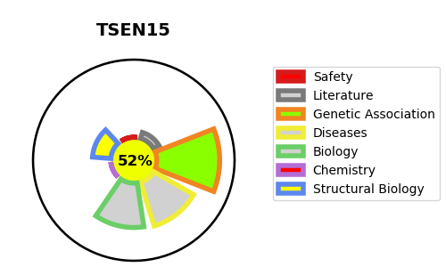
Gene_name | TSEN15 | Tractable | Tractability_probability
Synonyms | C1orf19, SEN15 | True | 52.99
Target_id | Q8WW01 | In Training data set ?
Protein_class |  | No
Protein_class_desc
Species | Homo sapiens (Human).
Number_isoforms | 2

DISEASE |  | PATHWAYS
disease_id | disease_name | Reactome | KEGG
OMIM:617026 | PONTOCEREBELLAR HYPOPLASIA, TYPE 2F | Metabolism of RNA
 |  | tRNA processing
 |  | tRNA processing in the nucleus

