General info
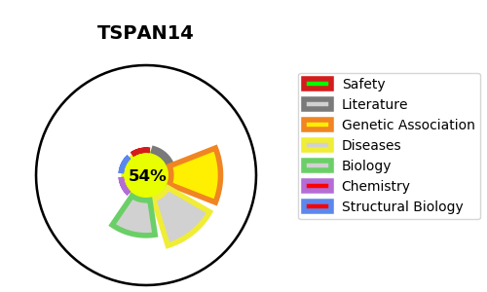
Gene_name | TSPAN14 | Tractable | Tractability_probability
Synonyms | TM4SF14 | True | 54.78
Target_id | Q8NG11 | In Training data set ?
Protein_class |  | No
Protein_class_desc
Species | Homo sapiens (Human).
Number_isoforms | 3

DISEASE |  | PATHWAYS
disease_id | disease_name | Reactome | KEGG
 |  | Amyloid fiber formation
 |  | Immune System
 |  | Innate Immune System
 |  | Metabolism of proteins
 |  | Neutrophil degranulation

