General info
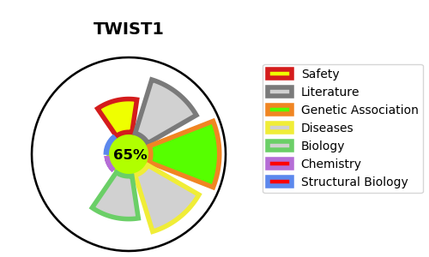
Gene_name | TWIST1 | Tractable | Tractability_probability
Synonyms | BHLHA38, TWIST | True | 65.51
Target_id | Q15672 | In Training data set ?
Protein_class |  | No
Protein_class_desc
Species | Homo sapiens (Human).
Number_isoforms | 0

DISEASE |  | PATHWAYS
disease_id | disease_name | Reactome | KEGG
OMIM:101400 | SAETHRE-CHOTZEN SYNDROME | Cytokine Signaling in Immune system
OMIM:123100 | CRANIOSYNOSTOSIS 1 | Gene expression (Transcription)
OMIM:180750 | ROBINOW-SORAUF SYNDROME | Generic Transcription Pathway
OMIM:617746 | SWEENEY-COX SYNDROME | Immune System
 |  | Interleukin-4 and Interleukin-13 signaling
 |  | RNA Polymerase II Transcription
 |  | Regulation of RUNX2 expression and activity
 |  | Signaling by Interleukins
 |  | Transcriptional regulation by RUNX2

