General info
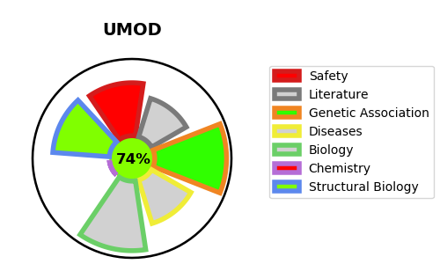
Gene_name | UMOD | Tractable | Tractability_probability
Synonyms | Not found | True | 74.21
Target_id | P07911 | In Training data set ?
Protein_class |  | No
Protein_class_desc
Species | Homo sapiens (Human).
Number_isoforms | 5

DISEASE |  | PATHWAYS
disease_id | disease_name | Reactome | KEGG
OMIM:162000 | HYPERURICEMIC NEPHROPATHY, FAMILIAL JUVENILE, 1 | Asparagine N-linked glycosylation
OMIM:603860 | MEDULLARY CYSTIC KIDNEY DISEASE 2 | Metabolism of proteins
OMIM:609886 | GLOMERULOCYSTIC KIDNEY DISEASE WITH HYPERURICEMIA AND ISOSTHENURIA | Post-translational protein modification

