General info
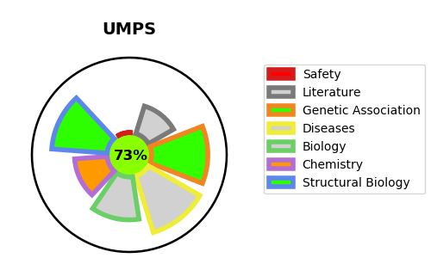
Gene_name | UMPS | Tractable | Tractability_probability
Synonyms | 2.4.2.10,4.1.1.23,ODC,OMPdecase,OPRT,OPRTase,Orotate phosphoribosyltransferase,Orotidine 5'-phosphate decarboxylase,UMP synthase,UMPS,Uridine 5'-monophosphate synthase | True | 73.13
Target_id | P11172 | In Training data set ?
Protein_class | Enzyme | No
Protein_class_desc | enzyme
Species | Homo sapiens (Human).
Number_isoforms | 4

DISEASE |  | PATHWAYS
disease_id | disease_name | Reactome | KEGG
OMIM:258900 | OROTIC ACIDURIA | Metabolism
 |  | Metabolism of nucleotides
 |  | Nucleobase biosynthesis
 |  | Pyrimidine biosynthesis

