General info
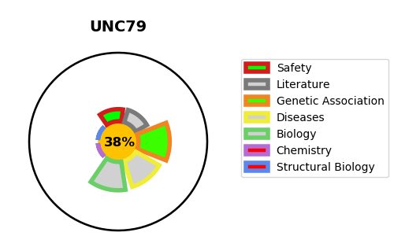
Gene_name | UNC79 | Tractable | Tractability_probability
Synonyms | KIAA1409 | False | 38.05
Target_id | Q9P2D8 | In Training data set ?
Protein_class |  | No
Protein_class_desc
Species | Homo sapiens (Human).
Number_isoforms | 3

DISEASE |  | PATHWAYS
disease_id | disease_name | Reactome | KEGG
 |  | Ion channel transport
 |  | Stimuli-sensing channels
 |  | Transport of small molecules

