General info
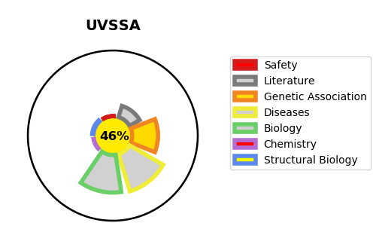
Gene_name | UVSSA | Tractable | Tractability_probability
Synonyms | KIAA1530 | False | 46.01
Target_id | Q2YD98 | In Training data set ?
Protein_class |  | No
Protein_class_desc
Species | Homo sapiens (Human).
Number_isoforms | 2

DISEASE |  | PATHWAYS
disease_id | disease_name | Reactome | KEGG
OMIM:614640 | UV-SENSITIVE SYNDROME 3 | DNA Repair
 |  | Dual incision in TC-NER
 |  | Formation of TC-NER Pre-Incision Complex
 |  | Gap-filling DNA repair synthesis and ligation in TC-NER
 |  | Nucleotide Excision Repair
 |  | Transcription-Coupled Nucleotide Excision Repair (TC-NER)

