General info
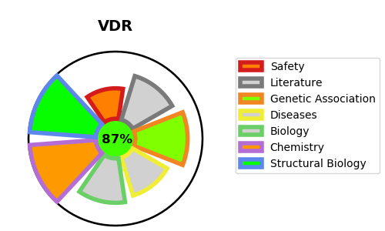
Gene_name | VDR | Tractable | Tractability_probability
Synonyms | 1,25-dihydroxyvitamin D3 receptor,NR1I1,Nuclear receptor subfamily 1 group I member 1,VDR,Vitamin D3 receptor | True | 87.11
Target_id | P11473 | In Training data set ?
Protein_class | Nuclear hormone receptor subfamily 1 group I member 1 | No
Protein_class_desc | transcription factor -> nuclear receptor -> nr1 -> nr1i -> nr1i1
Species | Homo sapiens (Human).
Number_isoforms | 2

DISEASE |  | PATHWAYS
disease_id | disease_name | Reactome | KEGG
OMIM:277440 | VITAMIN D-DEPENDENT RICKETS, TYPE 2A

