General info
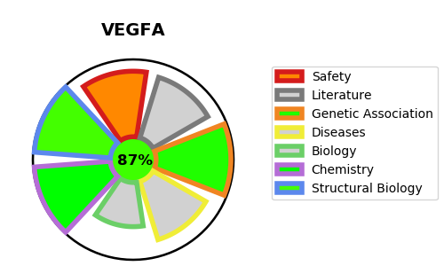
Gene_name | VEGFA | Tractable | Tractability_probability
Synonyms | VEGF,VEGF-A,VEGFA,VPF,Vascular endothelial growth factor A,Vascular permeability factor | True | 87.95
Target_id | P15692 | In Training data set ?
Protein_class | Secreted protein | No
Protein_class_desc | secreted
Species | Homo sapiens (Human).
Number_isoforms | 17

DISEASE |  | PATHWAYS
disease_id | disease_name | Reactome | KEGG
OMIM:603933 | MICROVASCULAR COMPLICATIONS OF DIABETES, SUSCEPTIBILITY TO, 1 | Cellular response to hypoxia
 |  | Cellular responses to external stimuli
 |  | Cellular responses to stress
 |  | Cytokine Signaling in Immune system
 |  | Disease
 |  | Gene expression (Transcription)
 |  | Generic Transcription Pathway
 |  | Hemostasis
 |  | Immune System
 |  | Infectious disease
 |  | Interleukin-4 and Interleukin-13 signaling
 |  | Platelet activation, signaling and aggregation
 |  | Platelet degranulation
 |  | Potential therapeutics for SARS
 |  | RNA Polymerase II Transcription
 |  | Regulation of gene expression by Hypoxia-inducible Factor
 |  | Response to elevated platelet cytosolic Ca2+
 |  | SARS-CoV Infections
 |  | Signal Transduction
 |  | Signaling by Interleukins
 |  | Signaling by Receptor Tyrosine Kinases
 |  | Signaling by VEGF
 |  | TFAP2 (AP-2) family regulates transcription of growth factors and their receptors
 |  | Transcriptional regulation by the AP-2 (TFAP2) family of transcription factors
 |  | VEGF binds to VEGFR leading to receptor dimerization
 |  | VEGF ligand-receptor interactions
 |  | VEGFA-VEGFR2 Pathway
 |  | VEGFR2 mediated cell proliferation

