General info
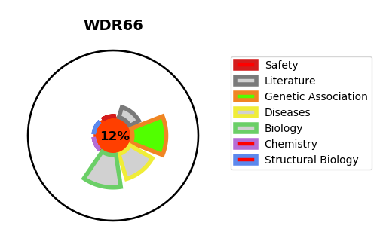
Gene_name | WDR66 | Tractable | Tractability_probability
Synonyms | WDR66 {ECO:0000312|HGNC:HGNC:28506} | False | 12.5
Target_id | Q8TBY9 | In Training data set ?
Protein_class |  | No
Protein_class_desc
Species | Homo sapiens (Human).
Number_isoforms | 3

DISEASE |  | PATHWAYS
disease_id | disease_name | Reactome | KEGG

